V2 Frame BOM
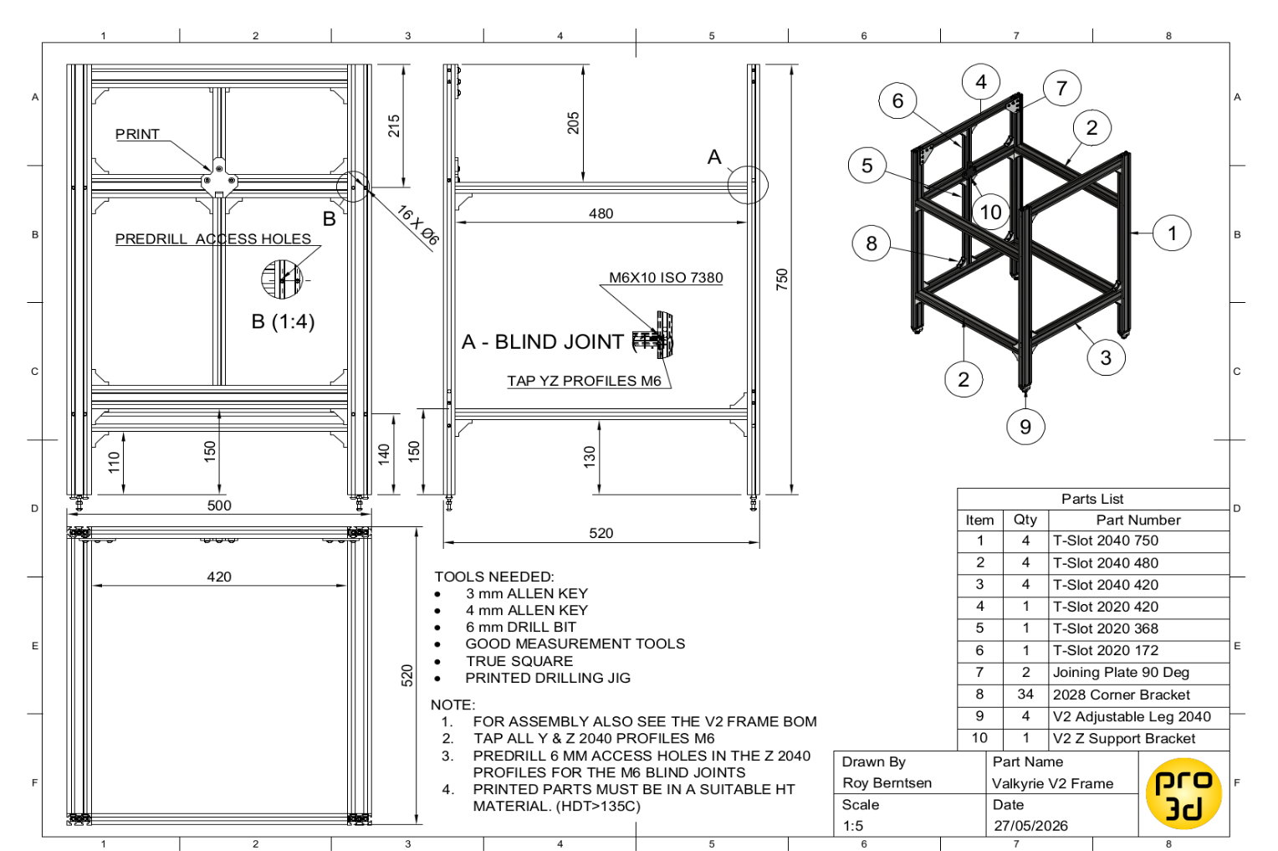
INDEX | Part name | Description | Length | QTY
Support Links: | 2020 T-Slot Profile | X Top Rear | 420 | 1 | DEV TEAM
Buy Me a Coffee | 2020 T-Slot Profile | Z Center Rear | 368 | 1 | Roy Berntsen
By Patreon | 2020 T-Slot Profile | Z Center Rear Top | 172 | 1 | Mark Bridgewater
By PayPal | 2040 T-Slot Profile | X Length Profile | 420 | 4
 | 2040 T-Slot Profile | Y Length Profile | 480 | 4
 | 2040 T-Slot Profile | Z Height Profile | 750 | 4
 | 2028 L-Bracket | Corner Bracket |  | 34
 | Joining Plate 90 Deg | Joining plate 90 |  | 2
 | M5 Nut Hammer Nut | Fastener |  | 81
 | M5 Nut Locknut | Fastener |  | 8
YouTube | M5 WASHER DIN 125 | Fastener |  | 78
 | M5x10 BH ISO 7380 | Fastener |  | 81
 | M5x30 BH ISO 7380 | Fastener |  | 4
 | M6x10 BH ISO 7380 | Fastener |  | 42
Printed Parts Link | V2 Center Z Support Bracket_1x | Print |  | 1
 | V2 DoorStop_4x | Print/Buy |  | 4
 | V2 Leg Base_4x | Print |  | 4
 | V2 Leg Nut_4x | Print |  | 4

V2 AB Gantry BOM
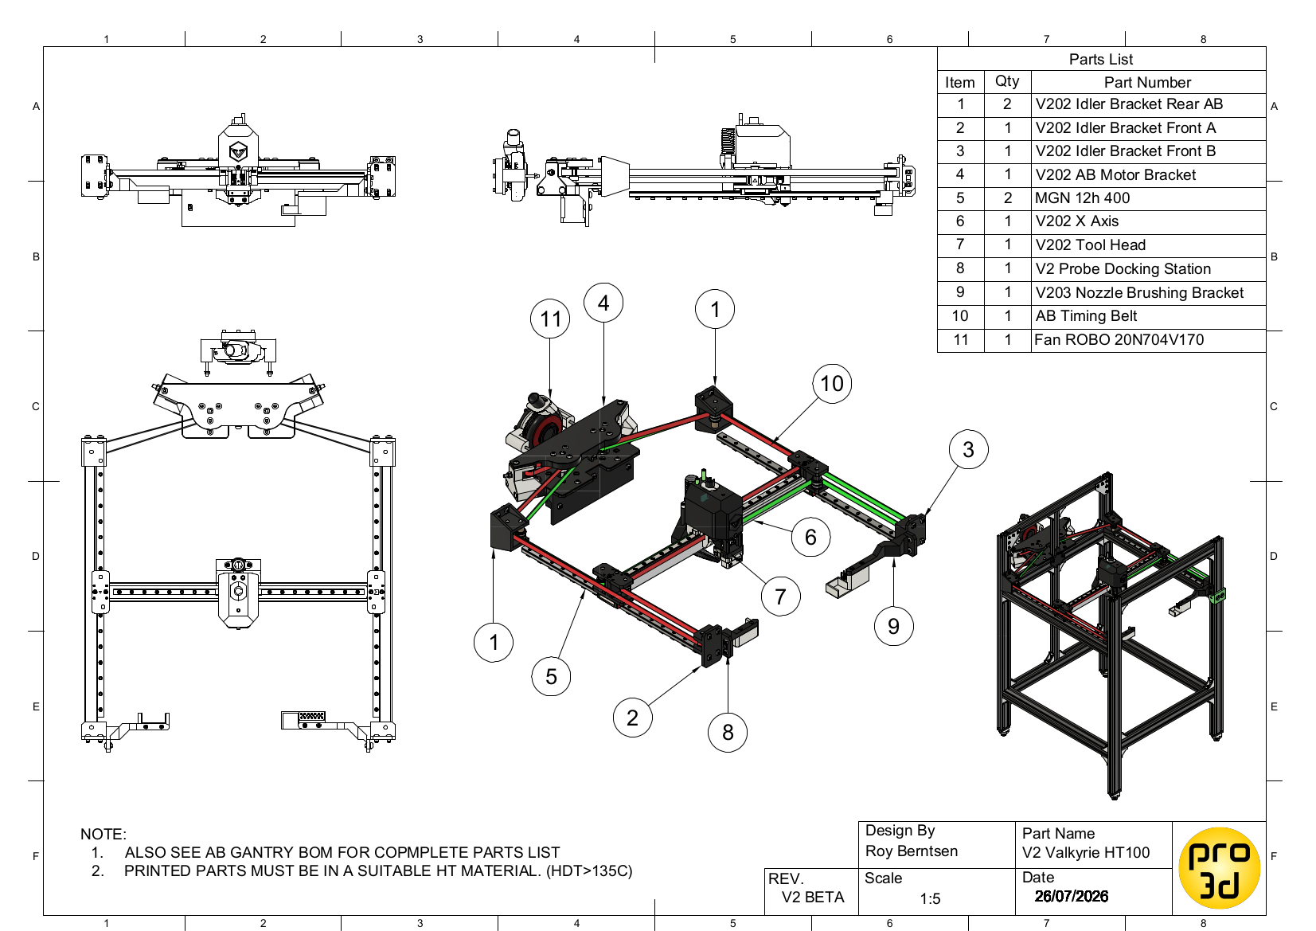
INDEX | Part name | Description | BOM Quantity
Support Links: | 05x16x5 Bearing 625ZZ |  | 2 | DEV TEAM
Buy Me a Coffee | 06x05 Magnet SmCo |  | 2 | Roy Berntsen
By Patreon | 06x12x1 Precision Shim |  | 36 | Mark Bridgewater
By PayPal | 06x17x6 Bearing F606ZZ |  | 24
 | 06x30 Bearing Shaft |  | 4
 | 06x40 Bearing Shaft |  | 8
 | GT2 Pulley 16T 11mm |  | 2
 | GT2 Timing Belt AB |  | 5
 | M3 Nut DIN 934 |  | 24
 | M3 Nut Hammer Nut |  | 32
YouTube | M3 Washer DIN 125 |  | 12 | Printed Parts Link
 | M3x08 BH ISO 7380 |  | 8 | V2 Drawings
 | M3x08 SH DIN 912 |  | 48
 | M3x10 SH DIN 912 |  | 12
 | M3x12 SH DIN 912 |  | 6
 | M3x20 SH DIN 912 |  | 2
 | M5 LOCK NUT |  | 2
 | M5 Nut DIN 934 |  | 11
 | M5 Nut Hammer Nut |  | 26
 | M5 WASHER DIN 125 |  | 6
 | M5x10 BH ISO 7380 |  | 34
 | M5x25 BH ISO 7380 |  | 5
 | M5x30 HEX ISO 4017 DIN 933 |  | 2
 | MGN12H 400 | Preload - Light | 2
 | MGN9H 400 | Preload - Medium | 1
 | Nema 17 48 S55 |  | 2
 | V205 AB Brace Bearing Buddy | Printed Parts Link | 2
 | V205 AB Idler Tension Fork | Print | 2
 | V205 AB Idler Tension Tower A | Print | 1
 | V205 AB Idler Tension Tower B | Print | 1
 | V205 AB Motor Brace | Print | 1
 | V205 AB Motor Bracket | Print | 1
 | V205 Idler Bracket Front A | Print | 1
 | V205 Idler Bracket Front B | Print | 1
 | V205 Idler Bracket Rear AB | Print | 2
 | V205 Idler Spacer Rear | Print | 4
 | V205 Nozzle Brushing Bracket | Print | 1
 | V205 Nozzle Brushing Bucket | Print | 1
 | V205 Y Carrier A_1 | Print | 1
 | V205 Y Carrier A_2 | Print | 1
 | V205 Y Carrier B_1 | Print | 1
 | V205 Y Carrier B_2 | Print | 1
 | V205 Z Sensor Dock | Print | 1
 | V205 Z Sensor Dock Bracket | Print | 1
 | V206 20x20x1 AL Tube | Buy/make | 1
 | V206 Nozzle Brass Brush | Buy | 1

V2 Toolhead BOM
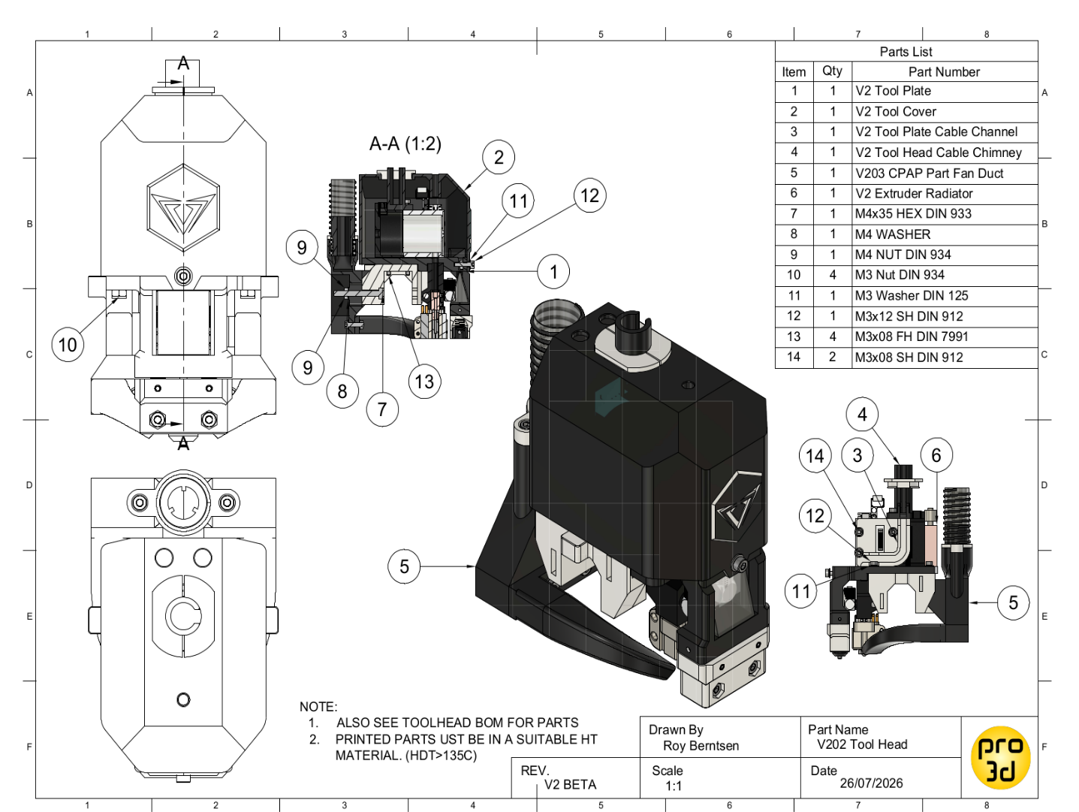
INDEX | Part name | Description | BOM Quantity
Support Links: | 03x25 Bearing shaft |  | 1 | DEV TEAM
Buy Me a Coffee | 06x05 Magnet SmCo |  | 4 | Roy Berntsen
By Patreon | 07x10 Spring |  | 1 | Mark Bridgewater
By PayPal | 6702-2Z Bearing |  | 2
 | Extruder - BIQU H2 V2X |  | 1
 | Extruder radiator 30x30x9.5 |  | 1
 | Fan CPAP Blower Robo | Fan blower | 1
 | Fan CPAP Tube | Fan blower tube | 1
 | Fan ROBO COOLER 12V 4010 fan | Fan axial | 1
 | M3 Nut DIN 934 |  | 8
YouTube | M3 Washer DIN 125 |  | 18
 | M3x05 Set Screw DIN 913 |  | 7
 | M3x08 FH DIN 7991 |  | 6
 | M3x08 SH DIN 912 |  | 5
 | M3x10 SH DIN 912 |  | 4
 | M3x12 SH DIN 912 |  | 10
 | M4 NUT DIN 934 |  | 1
 | M4 WASHER |  | 1
 | M4x35 HEX DIN 933 |  | 1
 | V205 CPAP Fan Duct |  | 1
 | V205 CPAP ROBO Fan Bracket |  | 1
 | V205 CPAP Swivel Bearing Spacer |  | 1
 | V205 CPAP Swivel Chimney |  | 1
 | V205 CPAP Swivel Clamp |  | 1
 | V205 CPAP Swivel Tube |  | 1
 | V205 Tool Head Cable Channel |  | 1
 | V205 Tool Head Cable Chimney |  | 1
 | V205 Tool Head Cable Clip |  | 1
 | V205 Tool Head Cover |  | 1
 | V205 Tool Head Plate |  | 1
 | V205 Z Sensor House |  | 1
 | V205 Z Sensor Probe |  | 1
 | MOTHEND HOTEND BOM
 | Part name | Description | BOM Quantity
 | Heater Cartridge 70W |  | 1
 | M3x03 Set Screw DIN 913 |  | 2
 | M5-6OD Elbow Fitting |  | 2
 | Mothblock V2 |  | 1
 | Mothend Ball plug Ø4.5 |  | 1
 | NF-Crazy Volcano heat block |  | 1
 | PT 1000 - 1M |  | 1
 | V6 Bimetal Heatbreak |  | 1
 | Volcano Nozzle V6 Hardened |  | 1

V2 Chamber Heater BOM
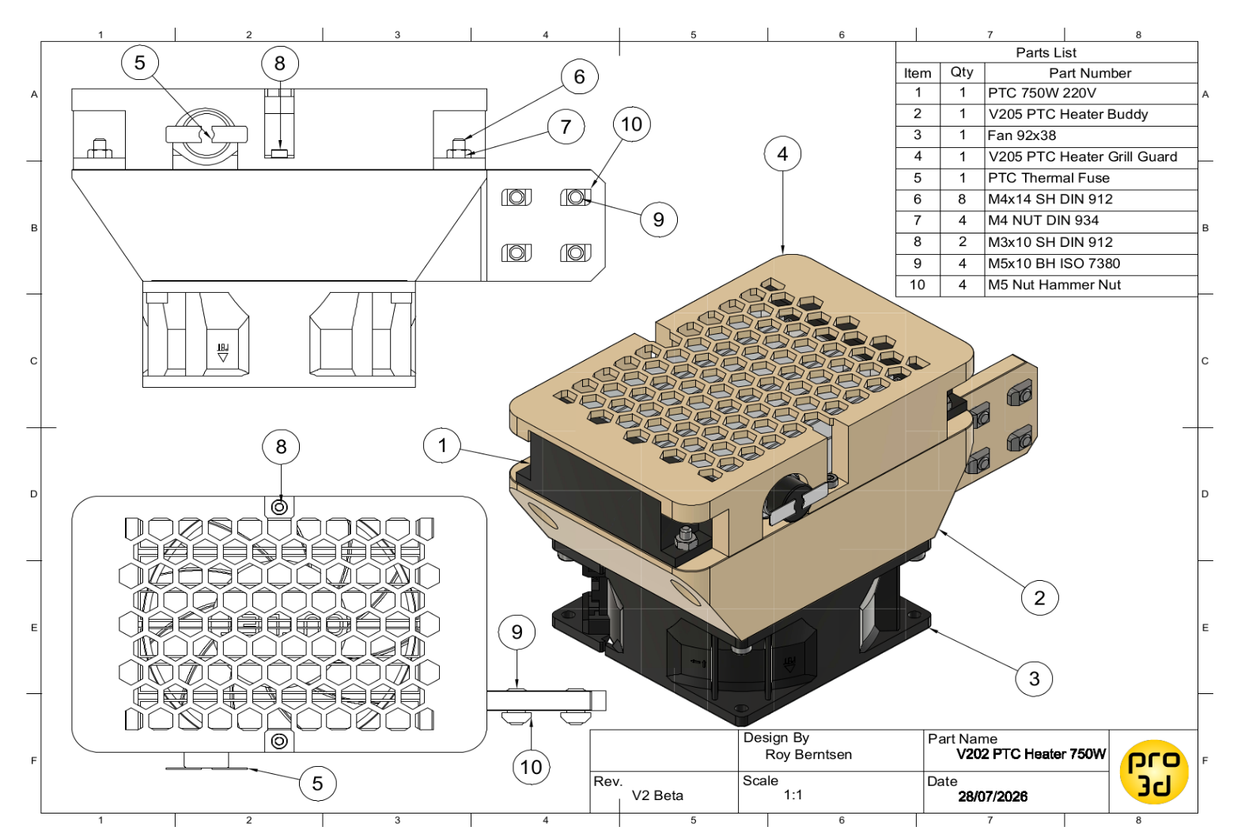
INDEX | Part name | Description | BOM Quantity
Support Links: | Fan 92x38 FAN 12V |  | 1 | DEV TEAM
Buy Me a Coffee | M3x10 SH DIN 912 |  | 2 | Roy Berntsen
By Patreon | M4 NUT DIN 934 |  | 4 | Mark Bridgewater
By PayPal | M4x14 SH DIN 912 |  | 8
 | M5 Nut Hammer Nut |  | 4
 | M5x10 BH ISO 7380 |  | 4
 | Heater PTC 750W 220V |  | 1
 | V205 PTC Heater Buddy | Printed | 1
 | V205 PTC Heater Grill Guard | Printed | 1

YouTube

V2 Liquid Cooling BOM
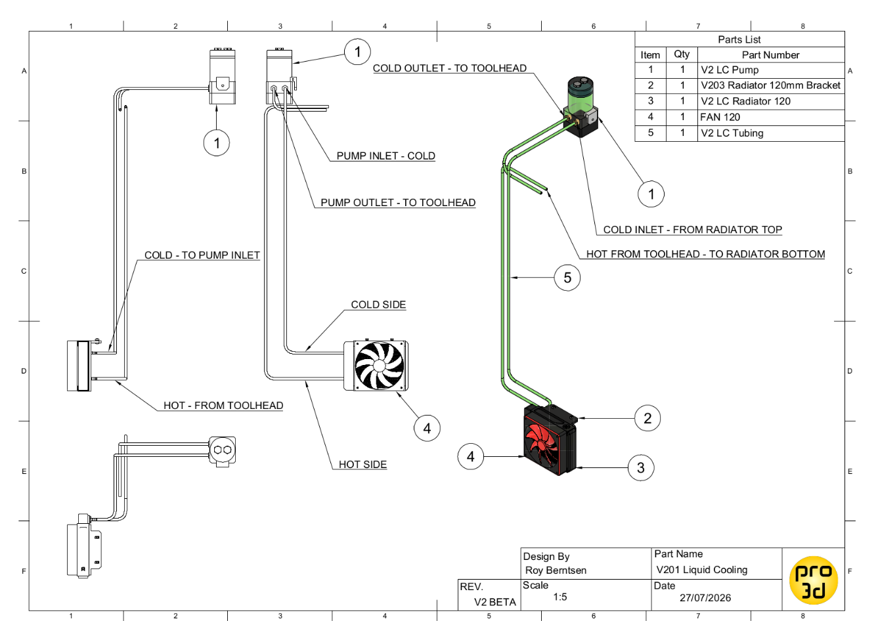
INDEX | Part name | Description | BOM Quantity
Support Links: | LC - 1/4" Barb - 4mm |  | 6 | DEV TEAM
Buy Me a Coffee | LC - Flowmeter |  | 1 | Roy Berntsen
By Patreon | LC - Pump P67D 12VDC |  | 1 | Mark Bridgewater
By PayPal | LC - Radiator 120mm |  | 1
 | LC - Radiator Fan - 120mm |  | 1
 | LC - Tubing 4x6mm IDxOD |  | 5
 | M5 Nut Hammer Nut |  | 2
 | M5x10 BH ISO 7380 |  | 2
 | V2 Pump Bracket |  | 1
YouTube | V2 Radiator Bracket |  | 1

Duet Connections
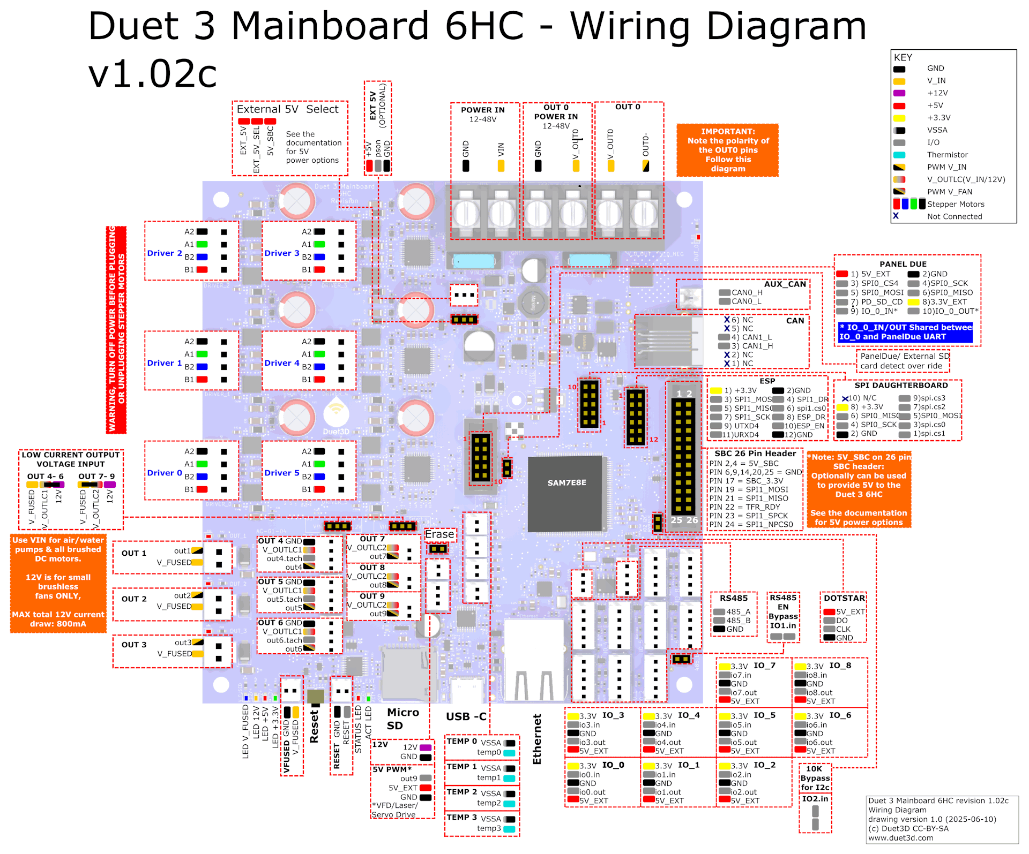
Type | Device | Ident | Connector | From | Wire size AWG | Color | Length mm | Destination pin | Comment
Power | PSU 12V | gnd | OUT 0 POWER IN | GND | 14 | Black |  | 12VPSU/-V |  | INDEX
Power | PSU 12V | +12V | OUT 0 POWER IN | V_OUT0 | 14 | Red |  | 12VPSU/+V
Power | PSU 24V | gnd | POWER IN | GND | 14 | Black |  | 24VPSU/-V
Power | PSU 24V | VIN 24v | POWER IN | Vin | 14 | Red |  | 24VPSU/+V
LED | Chamber Lighting | gnd | POWER IN | GND | 18 | Black |  | Terminal Block Black
LED | Chamber Lighting | VIN 24v | POWER IN | Vin | 18 | Red |  | Terminal Block Yellow
Stepper | A-Motor | a- | DRIVER 0 | A2 | used supplied | Brown |  | stepper motor
Stepper | A-Motor | a+ | DRIVER 0 | A1 | used supplied | Grey |  | stepper motor
Stepper | A-Motor | b- | DRIVER 0 | B2 | used supplied | Yellow |  | stepper motor
Stepper | A-Motor | b+ | DRIVER 0 | B1 | used supplied | Orange |  | stepper motor
Stepper | B-Motor | a- | DRIVER 1 | A2 | used supplied | Brown |  | stepper motor
Stepper | B-Motor | a+ | DRIVER 1 | A1 | used supplied | Grey |  | stepper motor
Stepper | B-Motor | b- | DRIVER 1 | B2 | used supplied | Yellow |  | stepper motor
Stepper | B-Motor | b+ | DRIVER 1 | B1 | used supplied | Orange |  | stepper motor
Stepper | E-Motor | a- | DRIVER 2 | A2 | 18 | Black |  | GX20_6Pin_M/3
Stepper | E-Motor | a+ | DRIVER 2 | A1 | 18 | Green |  | GX20_6Pin_M/4
Stepper | E-Motor | b- | DRIVER 2 | B2 | 18 | Blue |  | GX20_6Pin_M/5
Stepper | E-Motor | b+ | DRIVER 2 | B1 | 18 | Red |  | GX20_6Pin_M/6
Stepper | Z-Motor A | a- | DRIVER 3 | A2 | used supplied | Green |  | stepper motor
Stepper | Z-Motor A | a+ | DRIVER 3 | A1 | used supplied | Black |  | stepper motor
Stepper | Z-Motor A | b- | DRIVER 3 | B2 | used supplied | Blue |  | stepper motor
Stepper | Z-Motor A | b+ | DRIVER 3 | B1 | used supplied | Red |  | stepper motor
Stepper | Z-Motor B | a- | DRIVER 4 | A2 | used supplied | Green |  | stepper motor
Stepper | Z-Motor B | a+ | DRIVER 4 | A1 | used supplied | Black |  | stepper motor
Stepper | Z-Motor B | b- | DRIVER 4 | B2 | used supplied | Blue |  | stepper motor
Stepper | Z-Motor B | b+ | DRIVER 4 | B1 | used supplied | Red |  | stepper motor
Stepper | Z-Motor Rear | a- | DRIVER 5 | A2 | used supplied | Green |  | stepper motor
Stepper | Z-Motor Rear | a+ | DRIVER 5 | A1 | used supplied | Black |  | stepper motor
Stepper | Z-Motor Rear | b- | DRIVER 5 | B2 | used supplied | Blue |  | stepper motor
Stepper | Z-Motor Rear | b+ | DRIVER 5 | B1 | used supplied | Red |  | stepper motor
 |  |  | IO_0
 |  |  | IO_0
 |  |  | IO_0
 |  |  | IO_0
 |  |  | IO_0
 |  |  | IO_1
 |  |  | IO_1
 |  |  | IO_1
 |  |  | IO_1
 |  |  | IO_1
 |  |  | IO_2
 |  |  | IO_2
 |  |  | IO_2
 |  |  | IO_2
 |  |  | IO_2
 |  |  | IO_2
Sensor | Flint Zone Probe | signal | IO_3 | io3.in | 22 | White |  | GX20_10Pin_M/9
Sensor | Flint Zone Probe | gnd | IO_3 | GND | 22 | White |  | GX20_10Pin_M/10
 |  |  | IO_3
 |  |  | IO_3
 |  |  | IO_3
 |  |  | IO_4
Sensor | Anvil Nozzle Probe | signal | IO_4 | io4.in | 22 | White | 60 | HDC3_10_pinP/9
Sensor | Anvil Nozzle Probe | gnd | IO_4 | io4.gnd | 22 | White | 60 | HDC3_10_pinP/10
Fan | CPAP | pwm | IO_4 | io4.out | 22 | yellow |  | CPAP_pin2
 |  |  | IO_4
 |  |  | IO_5
Sensor | Temp CPAP |  | IO_5 | io5.in | 22 | Yellow |  | To Thermistor via ? | See note on adding 4K7 on the
Sensor | Temp CPAP |  | IO_5 | GND | 22 | Yellow |  | To Thermistor via? | V2 6HC connection drawing
 |  |  | IO_5
 |  |  | IO_5
Sensor | dht22 Dry box | 3.3V | IO_6 | 3.3v | 22 | Red |  | GX20_10Pin_FM/1
Buffer | Filament Feed signal | signal | IO_6 | io6.in | 22 | Blue |  | MellowLLL/Feed Signal
Sensor | dht22 Dry box | gnd | IO_6 | GND | 22 | Black |  | GX20_10Pin_FM/2
Sensor | dht22 Dry box | data | IO_6 | io6.out | 22 | Blue |  | GX20_10Pin_FM/3
 |  |  | IO_6
 |  |  | IO_7
Buffer | Filament Retract signal | signal | IO_7 | io7.in | 22 | Yellow |  | MellowLLL/ Retract Signal
Buffer | Filament Signal GND |  | IO_7 | GND | 22 | Black |  | MellowLLL/OV Signal
Buffer | Filament buffer Retract | control | IO_7 | io7.out | 24 | White |  | MellowLLL/ Retract Control
 |  |  | IO_7
 |  |  | IO_8
Buffer | Filament buffer ROS | signal | IO_8 | io8.in | 22 | White |  | MellowLLL/fil-switch
Buffer | Filament buffer ROS | gnd | IO_8 | GND | 22 | Black |  | MellowLLL/GND
Buffer | Filament buffer feed | control | IO_8 | io8.out | 24 | Blue |  | MellowLLL/Feed control
 |  |  | IO_8
Power | 12V Output | + | OUT 0 | V_OUT0 | 14 | Red |  | DinRail_2.5uk/ yellow
Power | 12V Output | - | OUT 0 | OUT0- | 14 | Black |  | DinRail_2.5uk/ Black
Heater | Heater Hotend | + | OUT 1 | V_FUSED | 18 | White |  | GX20_6Pin_M/1
Heater | Heater Hotend | - | OUT 1 | out1 | 18 | White |  | GX20_6Pin_M/2
Fan | CPAP Cooling fan 24V | + | OUT 2 | V_FUSED | 22 | Red
Fan | CPAP Cooling fan 24V | - | OUT 2 | out1 | 22 | Black |  |  |  | Fan Radiator
FREE |  | + | OUT 3 | V_FUSED | 18 | Red |  | GX20_10Pin_FM/4
FREE |  | - | OUT 3 | out3 | 18 | Black |  | GX20_10Pin_FM/5
Fan | Fan Drybox | - | OUT 4 | GND |  |  |  |  | moved from out3
Fan | Fan Drybox | + | OUT 4 | 12V |  |  |  |  | moved from out3 | 12V FANS LOW CURRENT | ma | OUT
Fan | Fan Drybox | tacho | OUT 4 | out4.tach | 22 | Black |  | Fan_Yellow |  | radiator | 150 | 4
Fan | Fan Drybox | pwm | OUT 4 | out4 | 22 | Black |  | Fan_ Blue |  | drybox | 500 | 6
FREE |  | - | OUT 5 | GND
FREE |  | + | OUT 5 | 12V
Pump | Pump LC | tacho | OUT 5 | out5.tach | 22 | Black |  | Waterpump_connector/3 |  | cpap cooler | 100 | -
Pump | Pump LC | pwm | OUT 5 | out5 | 22 | Black - |  | Waterpump_connector/4
FREE |  |  | OUT 6 | GND
FREE |  |  | OUT 6 | 12V
Fan | Chamber Fan | tacho | OUT 6 | out6.tach | 22 | Yellow |  | HDC2_6pin_P3
Fan | Chamber Fan | pwm | OUT 6 | out6 | 22 | Blue |  | HDC2_6pin_P4
SSR | SSR dry box heater | + | OUT 7 | V_OUTLC2 | 22 | Red |  | SSR_DryBox/3+
SSR | SSR dry box heater | - | OUT 7 | out7 | 22 | Black |  | SSR_DryBox/4-
SSR | SSR Chamber heater | + | OUT 8 | V_OUTLC2 | 22 | Red |  | SSR_ChamberHeater/3+
SSR | SSR Chamber heater | - | OUT 8 | out9 | 22 | Black |  | SSR_ChamberHeater/4-
SSR | SSR Bed heater | + | OUT 9 | V_OUTLC2 | 22 | Red |  | SSR_BedHeater/3+
SSR | SSR Bed heater | - | OUT 9 | out9 | 22 | Black |  | SSR_BedHeater/4-
 |  |  | DOTSTAR | 5V
 |  |  | DOTSTAR | Do
 |  |  | DOTSTAR | Clk
 |  |  | DOTSTAR | GND
ESP32 | ESP32 DEV board | 12V | 12V | 12 | used supplied |  |  | DC power jack lead/red
ESP32 | ESP32 DEV board | gnd | 12V | GND | used supplied |  |  | DC power jack lead/black
Sensor | Temp Nozzle PT1000 | a | TEMP 0 | VSSA | 22 | Red |  | GX20_10Pin_M/3
Sensor | Temp Nozzle PT1000 | b | TEMP 0 | temp0 | 22 | Red |  | GX20_10Pin_M/4
Sensor | Temp E-Motor | a | TEMP 1 | VSSA | 22 | Blue |  | GX20_10Pin_M/5
Sensor | Temp E-Motor | b | TEMP 1 | temp1 | 22 | Blue |  | GX20_10Pin_M/6
Sensor | Temp Chamber | a | TEMP 2 | VSSA | 22 | White |  | HDC2_6pin_P/1
Sensor | Temp Chamber | b | TEMP 2 | temp2 | 22 | White |  | HDC2_6pin_P/2
Sensor | Temp Bed | a | TEMP 3 | VSSA | 22 | Yellow | 60 | HDC3_10p_P/6
Sensor | Temp Bed | b | TEMP 3 | temp3 | 22 | Yellow | 60 | HDC3_10p_P/7
Fan | Fan Duet 6HC | 24V | VFused | V_FUSED | used supplied | Red |  | 4010 fan/red
Fan | Fan Duet 6HC | gnd | VFused | GND | used supplied | Black |  | 4010 fan/black
Sensor | BME |  | connection details | Dauaghter board |  |  |  | Humidityconnection details BME

INDEX

HDC Connections
HDC Connections Chamber side |  |  |  | HDC Connections Buddy side
HDC1 |  |  |  | HDC1
From | Cable colour / size AWG | Length mm | To Pin | From pin | Cable colour/size AWG | Length mm | To
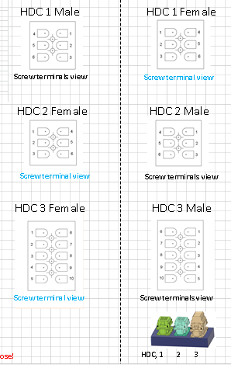
Chamber Heater L | Brown Silicone 600V /18 | 400 | 1 | 1 | Brown Silicone 600V / 18 |  | SSR Terminal 2
Chamber Heater N | Blue Silicone 600V /18 | 400 | 2 | 2 | Blue Silicone 600V / 18 |  | Blue Terminal Block
Chamber Heater E | Green Silicone 600V /18 | 400 | 3 | 3 | Green Silicone 600V / 18 |  | Earth Terminal Block
N/C |  |  | 4 | 4 |  |  | N/C
N/C |  |  | 5 | 5 |  |  | N/C
N/C |  |  | 6 | 6 |  |  | N/C

HDC2 |  |  |  | HDC2
From | Cable colour / size AWG | Length mm | To pin | FromPin | Cable colour/size AWG | Length mm | To
Chamber Thermistor | White/22 | 400 | 1 | 1 | White/22 |  | TEMP 2/VSSA
Chamber Thermistor | White/22 | 400 | 2 | 2 | White/22 |  | TEMP 2/temp2
Fan Chamber Tacho | yellow/22 | 400 | 3 | 3 | yellow/22 |  | out6.tach
Fan Chamber PWM | Blue/ 22 | 400 | 4 | 4 | Blue/ 22 |  | out6_out
Fan Chamber +12 | Red /18 | 400 | 5 | 5 | Red /18 |  | Yellow Terminal Block
Fan Chamber gnd | Black/18 | 400 | 6 | 6 | Black/18 |  | Black Terminal Block

HDC3 |  |  |  | HDC3
From | Cable colour / size AWG | Length mm | To Pin | From Pin | Cable colour/size AWG | Length mm | To
Heated Bed L | Used Supplied? Via thermal Fuse | 500 | 1 | 1 | Brown Silicone 600V / 18 |  | SSR Terminal 2
Heated Bed N | Used Supplied | 500 | 2 | 2 | Blue Silicone 600V / 18 |  | Blue Terminal Block
Aluminium Bed | Green silicion 600V /18 | 500 | 3 | 3 | Green Silicone 600V / 18 |  | Earth Terminal Block
N/C |  |  | 4 | 4 |  |  | N/C
N/C |  |  | 5 | 5 |  |  | N/C
Heater Bed Thermistor | Used Supplied | 500 | 6 | 6 | yellow / 22 |  | TENP 3/VSSA
Heater Bed Thermistor | Used Supplied | 500 | 7 | 7 | yellow / 22 |  | TENP 3/temp3
N/C |  |  | 8 | 8 |  |  | N/C
Tool Sensor | white/22 | 800 | 9 | 9 | white / 22 |  | IO_3/io1in
Tool Sensor | white/22 | 800 | 10 | 10 | white / 22 |  | IO_3/GND

MISC
Part name | Quantity M | Description | Supplier | Column2
Tools
Drill bits mm 6,5,4,3,4.2,1.5mm
Taps M3,M6
Allen keys 2,3,4,mm 2.5mm ball ended
Allen Key short shank 2.5mmfor moth end | 1 | used on screws on moth end |  | https://www.aliexpress.com/item/1005009139855730.html?
calipers |  | Recomend Shahe
Nut Driver 3mm (5.5mm AF) |  |  |  | https://www.aliexpress.com/item/1005004243478639.html
Spanner 7mm AF,

crimp tool for control board connection
steel Rule or Equiverlant
solder iron and solder
G or F clamp |  | gust for putting the frame together
Square |  | Engineers square

Philips No. 2 ( screws in GX20) | 1
Good wire strippers for the High temperature cable | 1
Unclog Pin Specially Design |  |  |  | https://www.aliexpress.com/item/1005002948629438.html?spm=a2g0o.order_list.order_list_main.192.45b518027U4htK

Adhishives/ Miscellaneous
Lead/Tin Sloder 60/40 | 1 |  |  | This will make the soldering much easier
Adhisive Heat sink compound | 1 |  |  | https://www.aliexpress.com/item/1005009582306904.html?
Bambu Skewer or simular 2.5 to 3mm Dia (alternative 3mm set screw) | 36mm length (3mm x 8mm)

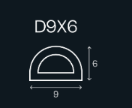
Misc
EPDM foam | 5M | Door seal / Dry Box | local hardware store | EPDM profile
J-B Weld Hi-Temp Red RTV Silicone | 1 |  |  | to stick silicon heater to aluminium bed

INDEX

